Dominik Ptaszek
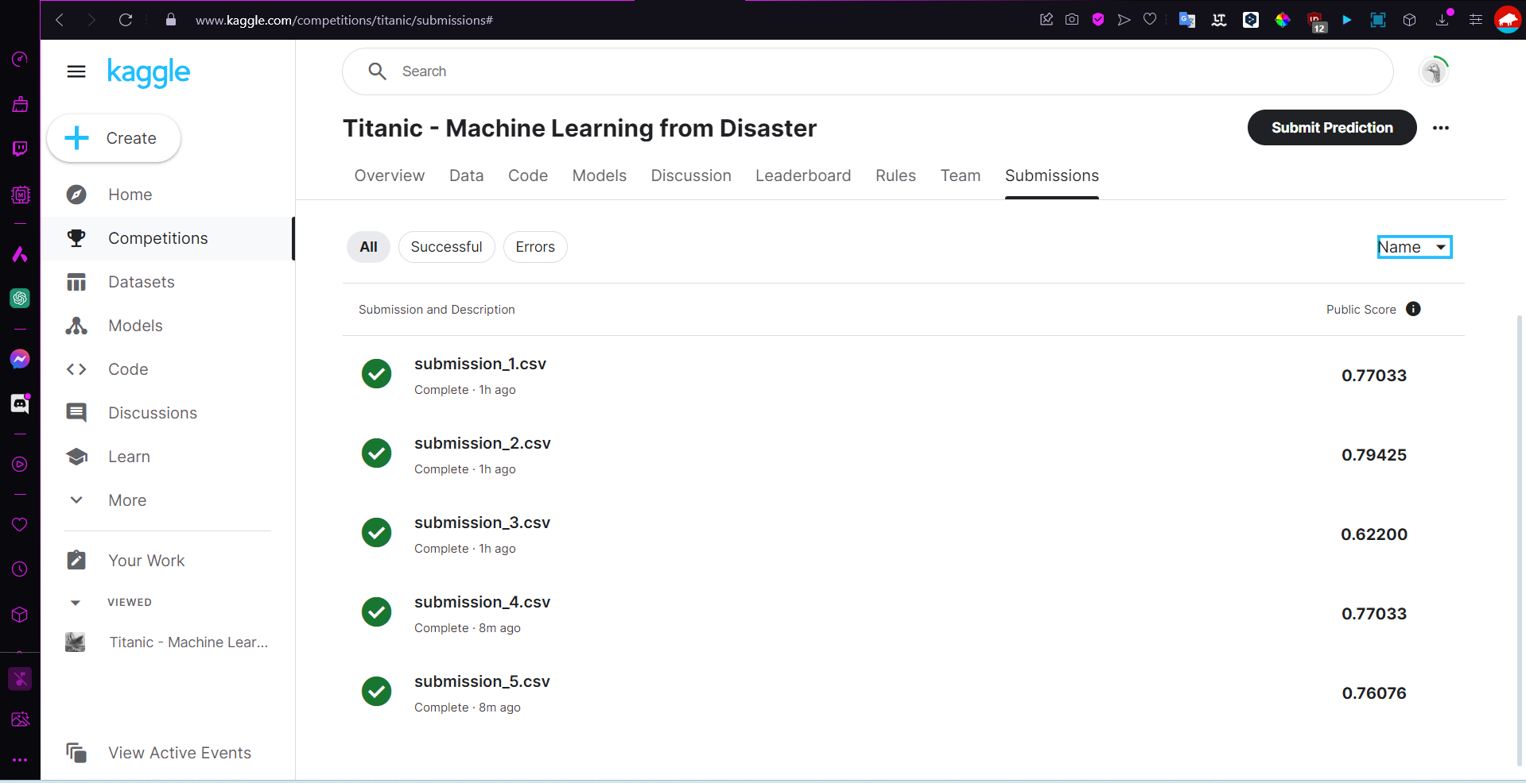
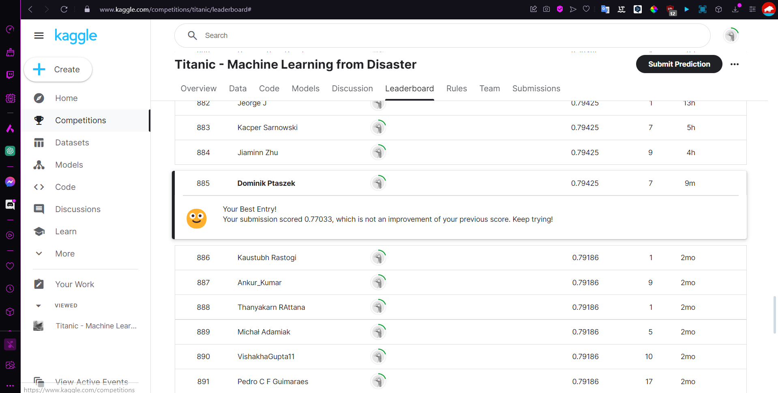
Competition Name | Titanic - Machine Learning from Disaster
Competition Link | https://www.kaggle.com/competitions/titanic/overview
Competition Type | GETTING STARTED PREDICTION COMPETITION
Evaluation Metric | Accuracy
Model Type | Classification
Start Date | -
End Date | -

Submission | Public Score | Private Score | Model | Notes | Selected | GitHub link to code for your best model(s)
1 | 0.77033 | 0.79320 | XGBoost |  | No | First
2 | 0.79425 | 0.82680 | RandomForest |  | Yes, Has the best public score | Second
3 | 0.62200 | 0.79888 | Deep Neural Network (Dense layers) |  | No | Third
4 | 0.77033 | 0.79348 | Logistic Regression |  | Yes, because it is based on CV score | Fourth
5 | 0.76076 | 0.78655 | Bagging |  | No | Fifth

Tips
You can see all your submissions under the submission tab
Private score becomes available after the competition ends. If the competition is still ongoing when you evidence, leave the private score column empty
Before the competition ends you select two of your submissions for consideration, mark the submissions you select as "Yes" and explain why.

Add Leaderboard Screenshot Below
Your "Team Name" must be your real name

Example Evidence
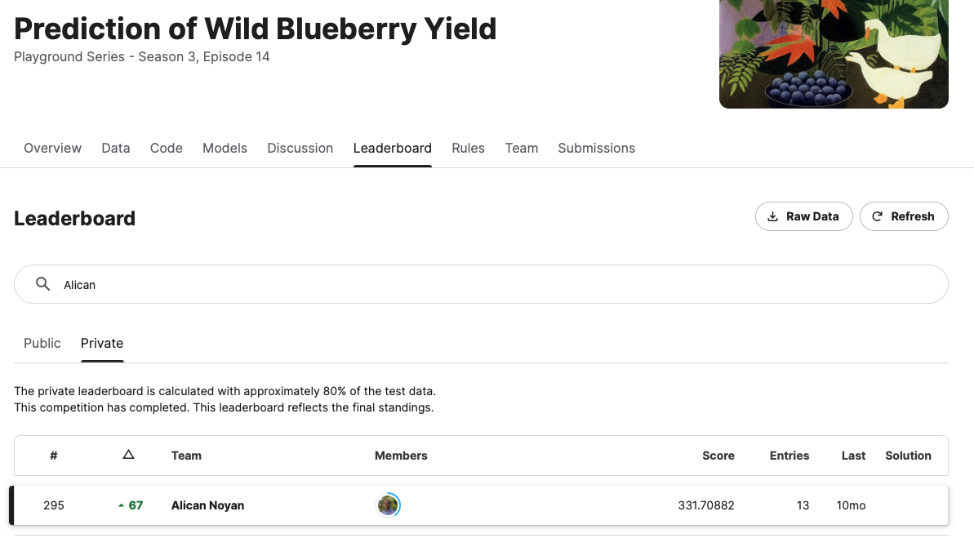
Competition Name | Prediction of Wild Blueberry Yield
Competition Link | https://www.kaggle.com/competitions/playground-series-s3e14/
Competition Type | Playground
Evaluation Metric | Mean Absolute Error
Model Type | Regression
Start Date | May 2, 2023
End Date | May 16, 2023

Submission | Public Score | Private Score | Model | Notes | Selected | GitHub link to code for your best model(s)
1 | 341.75125 | 351.46927 | Random Forest | Tuning with grid search | No
2 | 335.01582 | 343.13584 | HGBR | Tuning with grid search | No
3 | 331.98060 | 339.78294 | LGBM | Tuning with optuna | Yes, because I created local CV and this performed the best | Github link to at least one solution (ideally the best private)
4 | 331.71904 | 339.89264 | HGBR 50% + LGBM 50% | Ensemble learning | No
5 | 331.70882 | 339.87512 | HGBR x% + LGBM (100-x)% | finding x with optuna | Yes, best public score

Tips
You can see all your submissions under the submission tab
Private score becomes available after the competition ends. If the competition is still ongoing when you evidence, leave the private score column empty
Before the competition ends you select two of your submissions for consideration, mark the submissions you select as "Yes" and explain why.

Add Leaderboard Screenshot Below
Your "Team Name" must be your real name

